FREE STUFF

 | All these services are 100% FREE |  |  | This Template is supplied by:- |  | Walton Accountancy
 |  |  | 02392 593917
FREE | • | Initial meeting or telephone consultation. |  | If you encounter any problems with it, please contact us via:-
FREE | • | Unlimited email and telephone support.
FREE | • | Registration for self-employment. |  | email:- | info@waltonaccountancy.co.uk
FREE | • | Training and help to set up bookkeeping records. |  | or
FREE | • | Unlimited tailor designed spread-sheets. |  | Use "contact us" form on our website at:- |  |  | www.waltonaccountancy.co.uk
FREE | • | Registration for PAYE if required.
FREE | • | Company formation if required. |  | Thank-you from the team at Walton Accountancy Services.
FREE | • | Annual returns (including filing fee!).
FREE | • | Registration for VAT if required.
FREE | • | Mortgage and credit application references.

 | Why not consider becoming a client of ours and take advantage of this great service at these extremely competitive prices:-

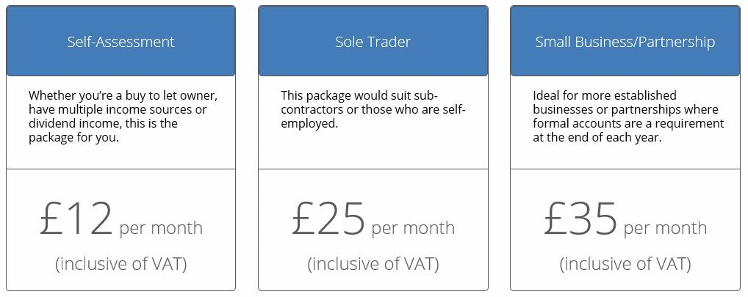
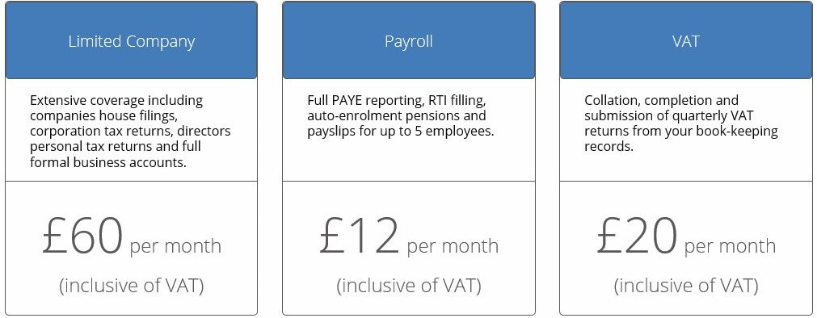

 | 0

